Table 1
Rly : WR P.L.No. |  |  | Old Pl Uni. Pl |  |  |  |  | HISTORY SHEET |  |  |  |  |  |  |  |  |  |  |  |  |  |  |  |  | Date : 07- JAN-23 Wt
90230334 |  |  | No. |  |  | No Uni_YN Y |  |  |  |  | Sec 18 |  | FILE 0703 |  |  |  | CP SRS 04 04 |  |  |  | Vit/Saf ORD |  |  | ABC A | PAS.NCT N |  |  | MUST.CHG N |  |  | SHELF NA |  |  |  | SOURCE RB |  |  | UNF.RLY KG WR
INDIAN STANDARD EQUAL ANGLE ISA 50 X 50 X 6MM, IN THE LENGTH OF 5.5 TO 13.5 MTRS. CONFORMING TO IS:808-1989, REAFFIRMED 2009, MATERIAL TO IS:2062-2011, AMEND.1 OF NOV.2012 GRADE E 250 A,Cu(SK)" Spec:ISSRPO/640226 D0921LCJ[SBI-GSD] 28/07/22 11:30:10 Yearly demand 2022-23 received from WM/Sig/SBI-5000 Kgs. Expedite coverage with nearest DP.
D0961NLS[DHD-L] 21/05/22 10:52:04 DYCMM (C&W) CCG - AAC - 75400 Kgs. Total (CWM DHD AAC- 73000 Kgs.+ Div. AAC- 2400 Kgs.) for CP. 2022-23 CWM DHD Letter No. M266/W/ Advance Intimation 22-23 Dated. 16.08.2021
D0902L11[PL-CR] 26/02/22 03:59:05 1)As per Dy.CME/P/PL''s letter no. S 226/2/1 AR Dt. 01/02/2022 Proposed AAC (PL SHOP ONLY) considering up to 5 to 10% out of course requirement for F.Y. 2022-23 is 5000 2)As per Dy.CME(P)/PL''s letter no. S 226/2/1AR Dt.13/03/2021 proposed AAC considering 5 to 10% out of course requirement is 2000 kgs.
STOCK, AAC AND CONSUMPTION DETAILS
DEPOT |  |  |  | WD CAT |  |  |  |  | MDP |  | CONSUMPTION / SALES 19-20 20-21 21-22 22-23 |  |  |  |  |  |  |  |  |  |  |  |  | AAC AAC NCP |  |  |  |  | STOCK (MTHS) |  |  |  |  |  | SPARE STOCK |  | LI DT LR DT |  |  |  | B.RATE UNIT
02 PL-CR 02 PL-CR 06 BL-ELS 21 SBI-GSD 25 BVP 27 VTA-DL 28 BVPW 61 DHD-L 62 PRTN-CW |  |  |  | 22 10 ( Closed ) 25 10 16 10 21 10 14 10 ( Closed ) 65 10 69 10 08 10 51 10 |  |  |  |  | 02 200 0 02 2942 0 06 120 0 21 4958 0 21 0 0 27 0 0 28 948 0 61 70022 0 62 5964 0 |  |  |  |  |  | 0 0 17 0 0 0 1261 0 0 0 0 0 820 0 63018 0 2342 0 |  |  |  | 0 0 4142 0 400 0 63 0 0 0 25 0 1500 0 68270 0 10964 0 |  | 0 0 4000 400 790 0 8308 0 0 0 25 0 1528 0 14100 0 6532 0 |  |  | 0 0 9489 9489 1120 1120 2400 2400 0 0 0 0 1810 1810 56618 56618 10151 10151 |  |  |  |  | 0 0 3251 0 (4.1) 749 0 (8) 732 0 (3.7) 0 0 0 0 1464 0 (9.7) 11095 0 (2.4) 937 0 (1.1) |  |  |  |  |  |  |  | 24/10/19 19/06/18 29/12/22 25/06/22 28/07/22 11/06/22 10/11/22 22/10/22 16/12/11 20/05/10 04/11/22 02/01/23 07/11/22 13/12/22 11/11/22 03/01/23 18/07/22 |  |  |  | 59.93 Kgs. 78.77 Kgs. 81.73 Kgs. 46.48 Kgs. 32.84 Kgs. 63.72 Kgs. 76.45 Kgs. 66.01 Kgs. 71.00 Kgs.
TOTAL( CONSUMPTION ): 85154 |  |  |  |  |  |  |  |  |  |  |  |  |  |  | 67458 |  |  |  | 85364 |  | 35283 |  |  | 81588(Cat-10, MDP) |  |  |  |  | 18228 (2.7 months)
Total available Stock of selected item in Digital Ledgers maintained by Users / Consignees of Western Railway in UDM
Stock Qty 14.000 Nos. + 7758.875 Kgs. + 20.900 MTR UN-COVERED DUES DETAILS |  |  |  |  |  |  |  |  |  |  |  |  |  |  |  |  |  |  |  |  |  |  |  |  |  |  |  |  |  |  |  |  | Stock Value 485065.76
Depot |  |  |  |  | Demand No. |  |  |  |  | Reg.Date |  |  |  |  |  |  |  | Due Qty |  |  |  |  | Unit |  | Type |  | File/Tender No. |  |  |  |  |  |  | Due Date |  |  |  |  | Remarks
27 | VTA-DL |  |  |  | 2721103004 |  |  |  |  | 2021-10-01 |  |  |  |  |  |  |  | 239.333 |  |  |  |  | Kgs. |  | SRM |  | 18210703
61 | DHD-L |  |  |  | 6122043099 |  |  |  |  | 2022-04-02 |  |  |  |  |  |  |  | 4797.167 |  |  |  |  | Kgs. |  | SRM |  | 18220703
INDENT DETAILS
Sr |  | Depot |  |  |  |  | Ind Qty |  |  |  |  | Unit |  |  |  | Cvd.Qty |  |  |  |  |  | Dely.Dt |  |  |  | Due Qty
001 |  | SBI-GSD |  |  |  |  | 5769 |  |  |  |  | Kgs. |  |  |  | 0 |  |  |  |  |  | 2024-05-27 |  |  |  | 5769
002 |  | PL-CR |  |  |  |  | 22167 |  |  |  |  | Kgs. |  |  |  | 0 |  |  |  |  |  | 2024-05-27 |  |  |  | 22167
003 |  | DHD-L |  |  |  |  | 95217 |  |  |  |  | Kgs. |  |  |  | 0 |  |  |  |  |  | 2024-05-27 |  |  |  | 95217
004 |  | PRTN-CW |  |  |  |  | 24507 |  |  |  |  | Kgs. |  |  |  | 0 |  |  |  |  |  | 2024-05-27 |  |  |  | 24507
005 |  | BVPW |  |  |  |  | 3822 |  |  |  |  | Kgs. |  |  |  | 0 |  |  |  |  |  | 2024-05-27 |  |  |  | 3822
006 |  | BL-ELS |  |  |  |  | 2657 |  |  |  |  | Kgs. |  |  |  | 0 |  |  |  |  |  | 2024-05-27 |  |  |  | 2657
RLY.BOARD INDENT COVERAGE DETAILS
Indent No./Pur.Agency Programme Indent No.18210703700472 dt.27/01/22 on Secretary (Stores), Railway Board, New Delhi for CP-START 2304
P.O.No./Vendor Name |  |  |  |  |  |  |  |  |  | Sr |  |  |  | Depot |  |  |  |  |  | AI Rate |  |  | PO Qty |  |  | Unit |  |  |  | Due Qty |  | Start DP |  |  |  | Dely.Dt |  |  |  | Dem.No.
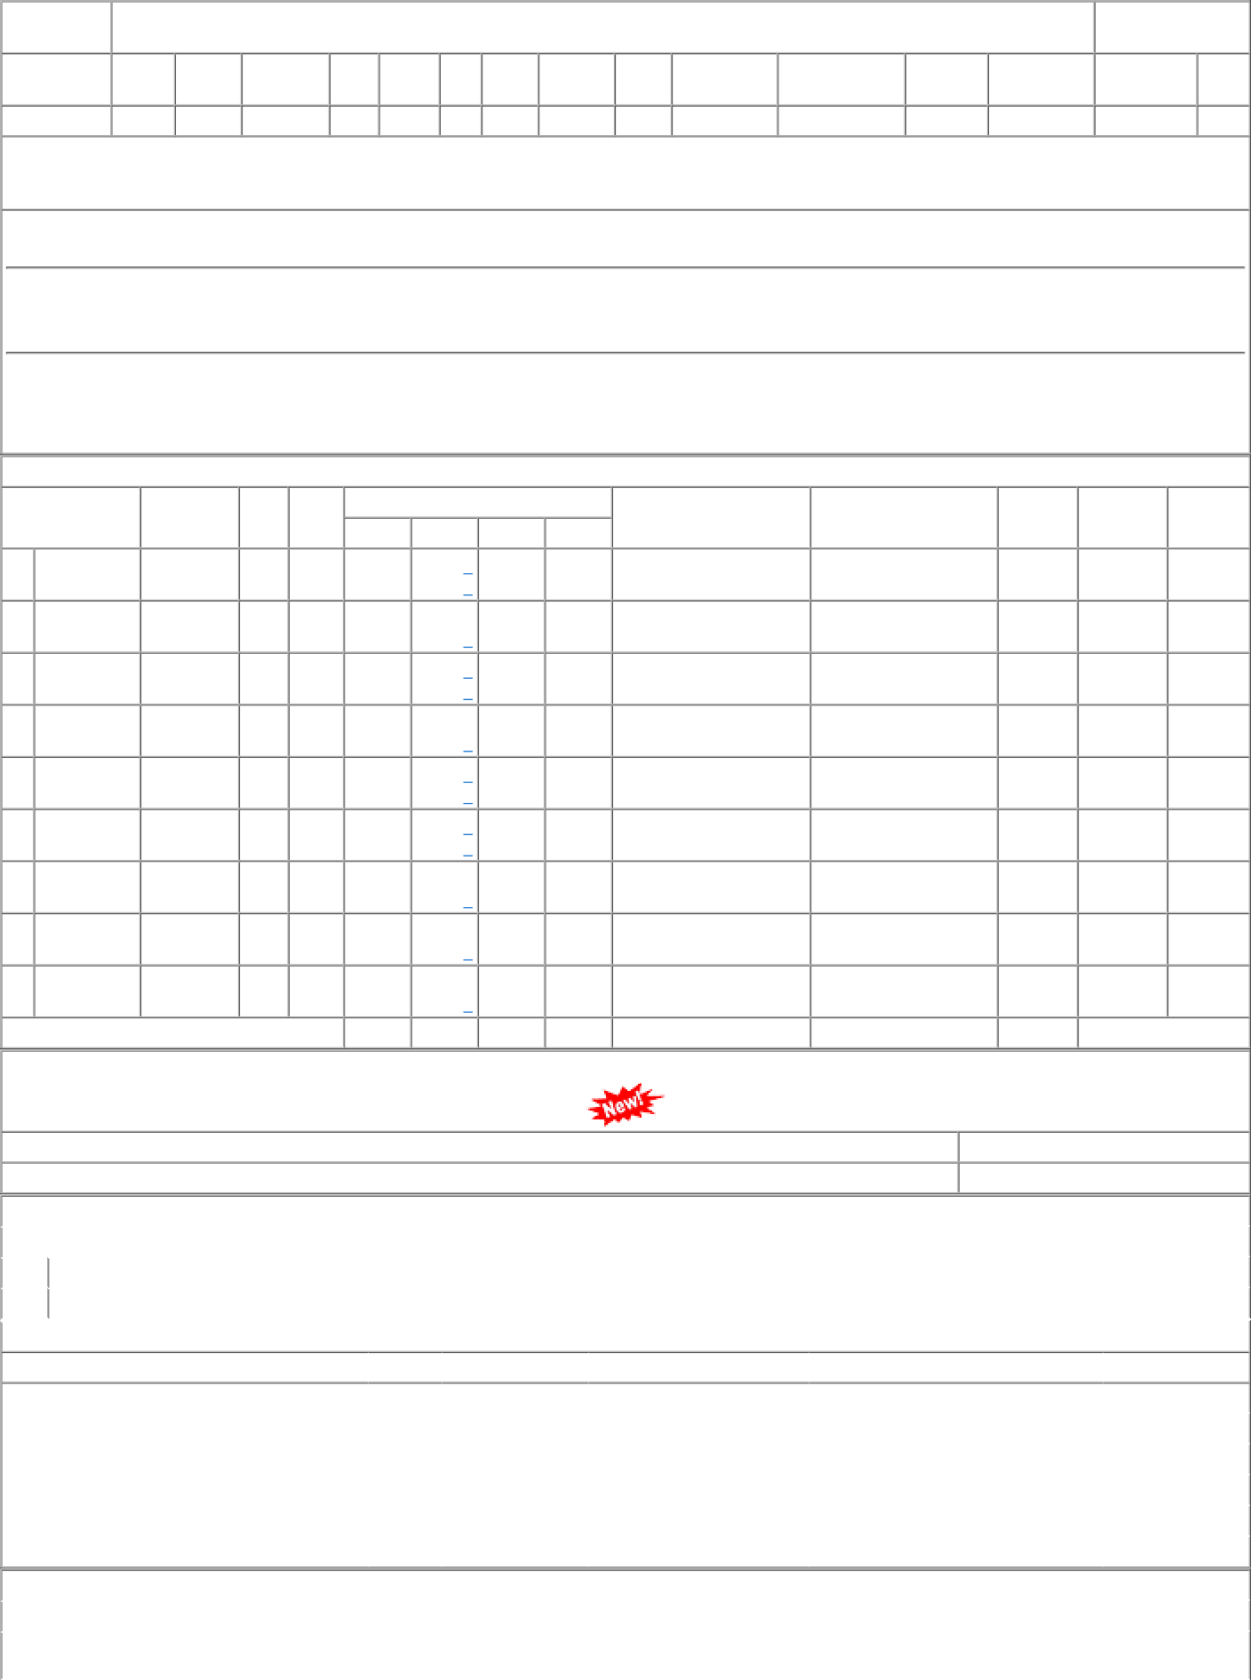
P.O.No.18190703703617 dt.05- aug-2021 on M/s.STEEL AUTHORITY |  |  |  |  |  |  |  |  |  | 001 |  |  |  | DHD-L |  |  |  |  |  | 45.50 |  |  | 63140 |  |  | Kgs. |  |  |  | 0 |  |  |  |  |  | 2022-10-30 |  |  |  | 6119103003

